Analysis
 | INV |  |  |  |  |  |  |  |  |  |  |  |  |  |  |  |  |  | NONINV
 | PURCH |  |  |  |  |  | RE-FI-CO |  |  |  |  |  | RE-FI-NCO |  |  |  |  |  | PURCH |  |  |  |  |  | RE-FI-CO |  |  |  |  |  | RE-FI-NCO
Row Labels | 'bal | 'actual.smm | 'model.smm | 'model w/o refi | 'Ratio | 'Ratio w/o refi | 'bal | 'actual.smm | 'model.smm | 'model w/o refi | 'Ratio | 'Ratio w/o refi | 'bal | 'actual.smm | 'model.smm | 'model w/o refi | 'Ratio | 'Ratio w/o refi | 'bal | 'actual.smm | 'model.smm | 'model w/o refi | 'Ratio | 'Ratio w/o refi | 'bal | 'actual.smm | 'model.smm | 'model w/o refi | 'Ratio | 'Ratio w/o refi | 'bal | 'actual.smm | 'model.smm | 'model w/o refi | 'Ratio | 'Ratio w/o refi
-175 |  |  |  |  |  |  |  |  |  |  |  |  | 2,000,361 | 0.00 | 0.38 | 0.38 | 0.00 | 0.00 | 938,198 | 0.00 | 0.50 | 0.50 | 0.00 | 0.00
-150 | 2,994,016 | 0.00 | 0.46 | 0.46 | 0.00 | 0.00 | 1,765,009 | 0.00 | 0.37 | 0.37 | 0.00 | 0.00 | 6,919,140 | 0.00 | 0.40 | 0.40 | 0.00 | 0.00 | 6,726,593 | 6.62 | 0.50 | 0.50 | 13.15 | 13.15 | 1,077,744 | 0.00 | 0.30 | 0.30 | 0.00 | 0.00 | 513,176 | 0.21 | 0.36 | 0.36 | 0.58 | 0.58
-125 | 73,337,232 | 0.03 | 0.47 | 0.47 | 0.05 | 0.05 | 51,585,547 | 0.94 | 0.41 | 0.41 | 2.30 | 2.30 | 123,037,777 | 0.38 | 0.41 | 0.41 | 0.92 | 0.92 | 41,995,538 | 0.97 | 0.45 | 0.45 | 2.16 | 2.16 | 14,396,726 | 0.02 | 0.38 | 0.38 | 0.06 | 0.06 | 30,596,204 | 0.02 | 0.36 | 0.36 | 0.06 | 0.06
-100 | 801,287,011 | 0.44 | 0.51 | 0.51 | 0.86 | 0.86 | 512,156,723 | 0.53 | 0.45 | 0.45 | 1.18 | 1.18 | 1,453,521,623 | 0.43 | 0.45 | 0.45 | 0.95 | 0.95 | 407,229,187 | 0.23 | 0.43 | 0.43 | 0.55 | 0.55 | 321,918,175 | 0.42 | 0.38 | 0.38 | 1.12 | 1.12 | 871,836,148 | 0.29 | 0.37 | 0.37 | 0.80 | 0.80
-75 | 3,699,664,523 | 0.63 | 0.58 | 0.58 | 1.08 | 1.09 | 2,138,011,205 | 0.56 | 0.51 | 0.51 | 1.11 | 1.11 | 6,562,216,122 | 0.55 | 0.51 | 0.51 | 1.08 | 1.08 | 7,757,779,421 | 0.50 | 0.46 | 0.45 | 1.10 | 1.10 | 4,739,056,428 | 0.35 | 0.41 | 0.41 | 0.85 | 0.85 | 15,505,710,520 | 0.39 | 0.40 | 0.40 | 0.97 | 0.97
-50 | 7,549,932,000 | 0.69 | 0.69 | 0.66 | 1.00 | 1.04 | 4,512,693,427 | 0.59 | 0.61 | 0.58 | 0.97 | 1.02 | 13,636,930,076 | 0.59 | 0.61 | 0.58 | 0.97 | 1.03 | 56,413,240,929 | 0.58 | 0.56 | 0.52 | 1.03 | 1.11 | 38,359,650,093 | 0.53 | 0.51 | 0.47 | 1.05 | 1.14 | 122,097,364,884 | 0.53 | 0.50 | 0.46 | 1.07 | 1.16
-25 | 8,071,317,217 | 0.88 | 0.85 | 0.75 | 1.04 | 1.18 | 5,706,277,257 | 0.53 | 0.76 | 0.65 | 0.70 | 0.81 | 15,962,175,739 | 0.74 | 0.76 | 0.66 | 0.98 | 1.13 | 135,632,174,825 | 0.72 | 0.71 | 0.60 | 1.00 | 1.19 | 94,334,908,554 | 0.64 | 0.65 | 0.54 | 0.99 | 1.19 | 278,258,900,928 | 0.63 | 0.64 | 0.53 | 0.98 | 1.19
0 | 7,009,595,961 | 0.77 | 0.95 | 0.78 | 0.80 | 0.98 | 5,202,582,704 | 0.88 | 0.86 | 0.68 | 1.02 | 1.28 | 13,798,650,982 | 0.90 | 0.86 | 0.70 | 1.05 | 1.29 | 129,288,414,367 | 0.78 | 0.81 | 0.63 | 0.97 | 1.24 | 104,096,762,385 | 0.75 | 0.75 | 0.57 | 1.01 | 1.31 | 277,905,874,879 | 0.72 | 0.73 | 0.56 | 0.98 | 1.28
 |  |  | SMM | CPR
 |  |  | 0.44 | 5.13
 |  |  | 0.45 | 5.26

 |  | INV |  |  |  |  |  | INV |  |  |  |  |  | INV |  |  |  |  |  | NONINV |  |  |  |  |  | NONINV |  |  |  |  |  | NONINV
 |  | PURCH | PURCH | PURCH |  |  |  | RE-FI-CO | RE-FI-CO | RE-FI-CO |  |  |  | RE-FI-NCO | RE-FI-NCO | RE-FI-NCO |  |  |  | PURCH | PURCH | PURCH |  |  |  | RE-FI-CO | RE-FI-CO | RE-FI-CO |  |  |  | RE-FI-NCO | RE-FI-NCO | RE-FI-NCO
 |  | actual | model | ratio |  |  |  | actual | model | ratio |  |  |  | actual | model | ratio |  |  |  | actual | model | ratio |  |  |  | actual | model | ratio |  |  |  | actual | model | ratio
-100 |  | 5.19 | 5.99 | 0.87 |  |  |  | 6.23 | 5.30 | 1.17 |  |  |  | 5.04 | 5.29 | 0.95 |  |  |  | 2.77 | 5.03 | 0.55 |  |  |  | 4.94 | 4.41 | 1.12 |  |  |  | 3.44 | 4.30 | 0.80
-75 |  | 7.25 | 6.70 | 1.08 |  |  |  | 6.53 | 5.91 | 1.10 |  |  |  | 6.38 | 5.90 | 1.08 |  |  |  | 5.84 | 5.33 | 1.10 |  |  |  | 4.09 | 4.78 | 0.86 |  |  |  | 4.54 | 4.67 | 0.97
-50 |  | 7.98 | 8.01 | 1.00 |  |  |  | 6.87 | 7.09 | 0.97 |  |  |  | 6.90 | 7.07 | 0.98 |  |  |  | 6.78 | 6.56 | 1.03 |  |  |  | 6.18 | 5.90 | 1.05 |  |  |  | 6.17 | 5.80 | 1.06
-25 |  | 10.10 | 9.75 | 1.04 |  |  |  | 6.22 | 8.77 | 0.71 |  |  |  | 8.54 | 8.71 | 0.98 |  |  |  | 8.26 | 8.24 | 1.00 |  |  |  | 7.43 | 7.52 | 0.99 |  |  |  | 7.25 | 7.40 | 0.98

 |  |  |  | 1.02 |  |  |  |  |  | 0.84 |  |  |  |  |  | 0.98 |  |  |  |  |  | 1.02 |  |  |  |  |  | 1.02

INV Actual
INV Mdl
Non-INV Act
Non-INV Mdl

INV
INV
INV

Non-INV
Non-INV
Non-INV

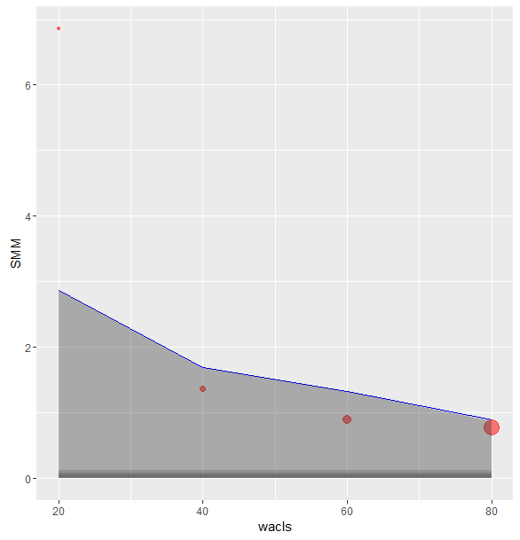
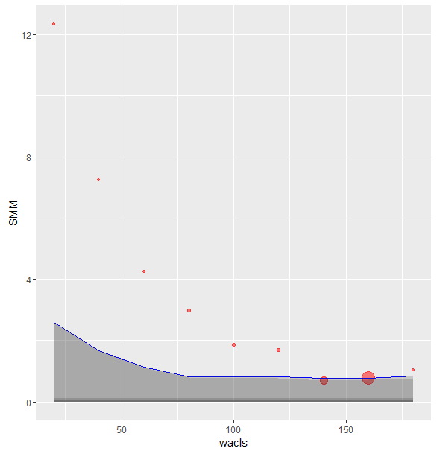
OLS 85K
OLS 175K

